Renew_info
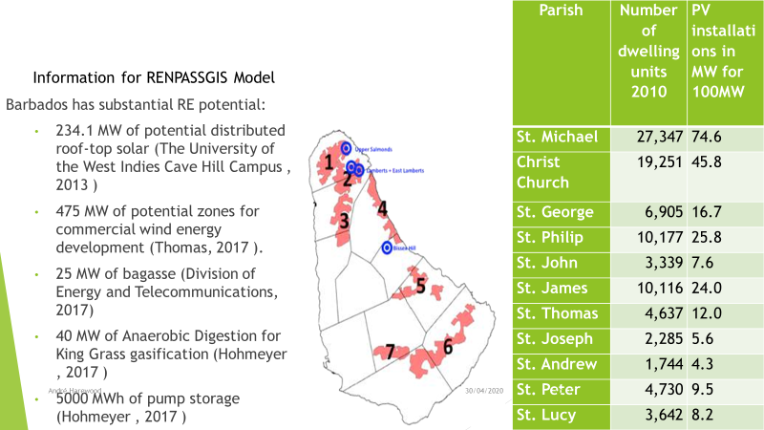
name | bus | carrier | tech | profile | capacity | type
BB_wind | BB_bus_el | wind | onshore | BB_wind_profile | 265 | volatile
BB_pv_utility | BB_bus_el | solar | pv | BB_pv_utility_profile |  | volatile
BB_pv_distributed | BB_bus_el | solar | pv | BB_pv_distributed_profile | 234 | volatile

scenario 1
resource
BB_pv_distributed | 234.1 | MW
BB_pv_utility | 80 | MW
BB_wind | 475 | MW

scenario 2

Dispatch_info
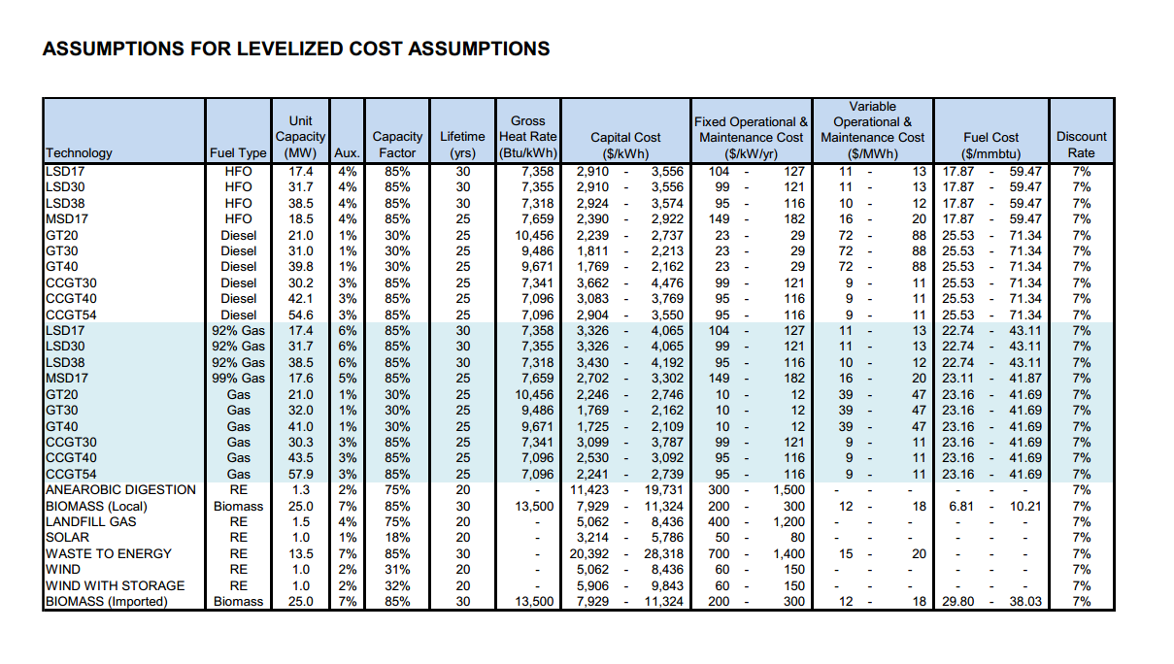
name | bus | carrier | tech | marginal_cost | original_variable_cost | capacity | type
BB_S1 | BB_bus_el | hfo | steam | 1000000 | 14.62 | 20 | dispatchable
BB_S2 | BB_bus_el | hfo | steam | 1000000 | 14.62 | 20 | dispatchable
BB_D10 | BB_bus_el | hfo | lsd | 350.04536 | 28.95 | 12.5 | dispatchable
BB_D11 | BB_bus_el | hfo | lsd | 350.04536 | 28.95 | 12.5 | dispatchable
BB_D12 | BB_bus_el | hfo | lsd | 350.04536 | 28.95 | 12.5 | dispatchable
BB_D13 | BB_bus_el | hfo | lsd | 350.04536 | 28.95 | 12.5 | dispatchable
BB_D14 | BB_bus_el | hfo | lsd | 303.12492 | 12.68 | 29.7 | dispatchable
BB_D15 | BB_bus_el | hfo | lsd | 303.12492 | 12.68 | 29.7 | dispatchable
BB_GT02 | BB_bus_el | diesel | gt | 695.61604 | 65.04 | 13 | dispatchable
BB_GT03 | BB_bus_el | diesel | gt | 678.38604 | 25.25 | 13 | dispatchable
BB_GT04 | BB_bus_el | kerosine | gt | 693.31117 | 72.2 | 20 | dispatchable
BB_GT05 | BB_bus_el | kerosine | gt | 693.34117 | 72.2 | 20 | dispatchable
BB_GT06 | BB_bus_el | diesel | gt | 644.33041 | 72.2 | 20 | dispatchable
BB_Biomass | BB_bus_el | bagasse | steam | 1000 | 18 | 25 | dispatchable

